loanform1
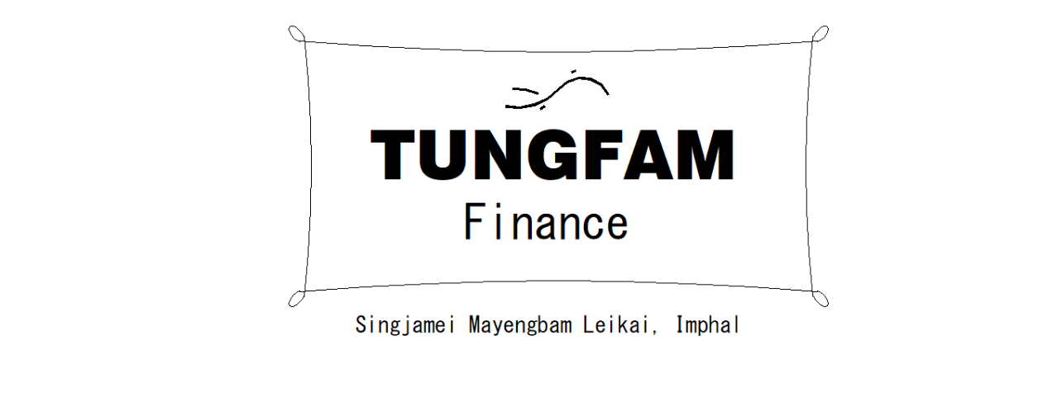

AADHAR:
Name: | PANGAMBAM BARUNI
C/O: | PANGAMBAM IBOCHOUBA
Address: | SINGJAMEI THONGAM LEIKAI
Mobile:
Type of Business: | MAID
Loan Amount: | 5000
No of Payments: | 120

Terms and conditions
1. You have to pay regularly daily/weekly/monthly basis without fail till the said date.

I hereby declare the above information I have given is true, and I agree to the terms and conditions given.

Loanee Signature

Issue Date: | 11-Sep-23

Manager Signature

